NL Information Form
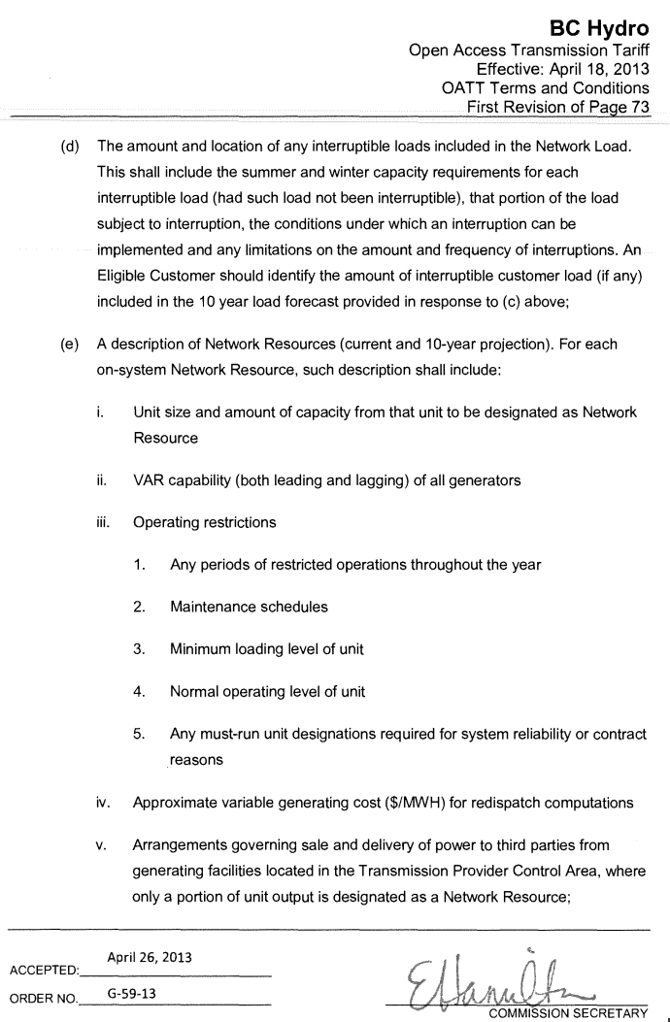
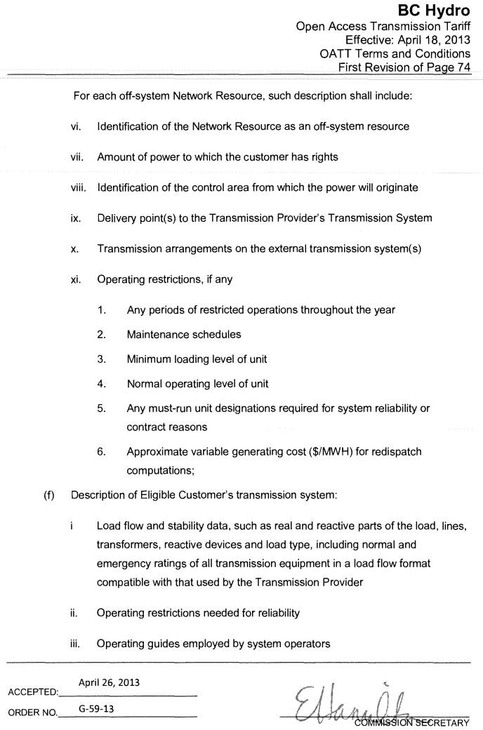
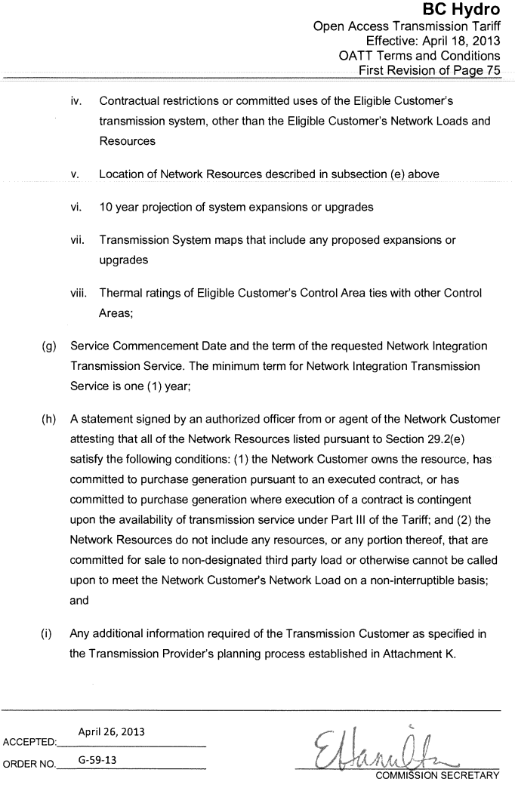
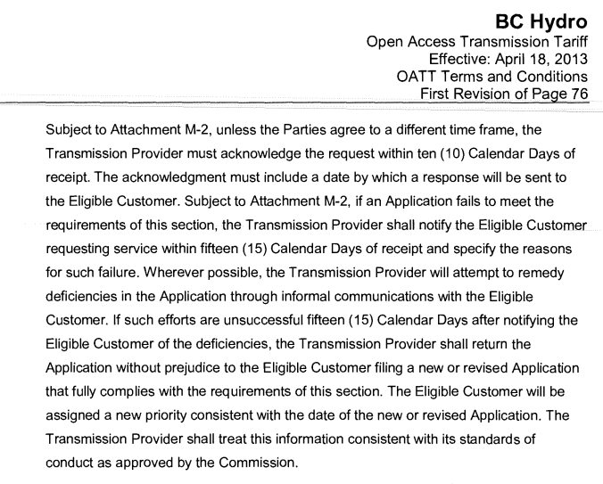
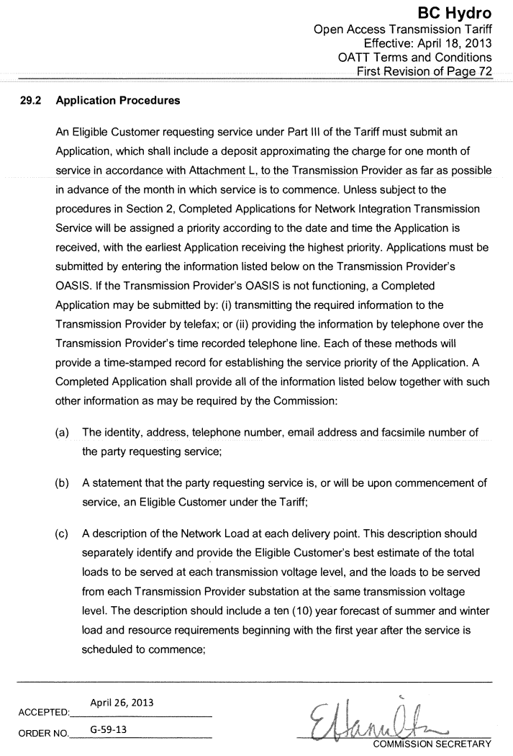
NITS Customer Information Form for designation of Network Loads
Pursuant to BC Hydro OATT Section 29.2
https://www.bchydro.com/content/dam/BCHydro/customer-portal/documents/corporate/tariff-filings/electric-tariff/00-bch-oatt.pdf

TSR AREF:
Project:
Project TLA:

(a) The identity, address, telephone number, email address and facsimile number of the party requesting service;

Customer Name:
NERC (OASIS Code):
Address:

Contact:
Phone Number:
Email:

(b) A statement that the party requesting service is, or will be upon commencement of service, an Eligible Customer under the Tariff;

(c) A description of the Network Load at each delivery point. This description should separately identify and provide the Eligible Customer's best estimate of the total loads to be served at each transmission voltage level, and the loads to be served from each Transmission Provider substation at the same transmission voltage level. The description should include a ten ( 10) year forecast of summer and winter load and resource requirements beginning with the first year after the service is scheduled to commence;

Description of Load Forecast and substation(s)

 |  |  |  |  |  |  |  |  | 10 Year Load Forecast
Load Forecast: | Date of NITS Designation | Project / Owner Name | STN | kV | PF | Region | Desired In-Service Date | Unit

Description of connection:

(d) The amount and location of any interruptible loads included in the Network Load. This shall include the summer and winter capacity requirements for each interruptible load {had such load not been interruptible), that portion of the load subject to interruption, the conditions under which an interruption can be implemented and any limitations on the amount and frequency of interruptions. An Eligible Customer should identify the amount of interruptible customer load (if any) included in the 10 year load forecast provided in response to (c) above;

Is there interruptable load?

If yes, please describe:

(f) Description of Eligible Customer's transmission system
Reference Document:

(g) Service Commencement Date and the term of the requested Network Integration Transmission Service. The minimum term for Network Integration Transmission Service is one ( 1) year;

OASIS TSR AREF:
Service Commencement Date on TSR:
Commercial Operation Date (COD):
End date of TSR:
Termination of operations (if applicable):

BC Hydro OATT reference:

